Pivot Tables
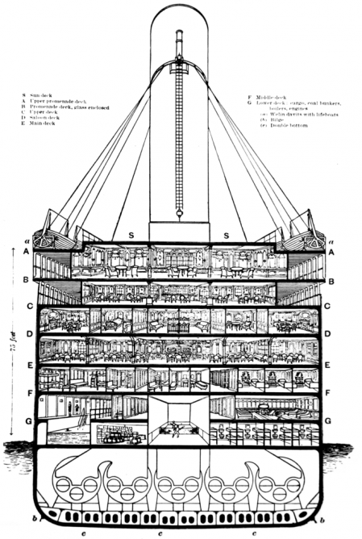
 |  |  |  | Training Data Set from Kaggle Titanic Competition
 |  |  |  |  |  |  |  |  | Cabin Levels "B"(Bridge Deck, was the top weight-bearing deck and the uppermost level of the hull), "D" (Saloon/1st Class Dining) and "E"(Upper Deck) had the highest percentage of survivors.
 | Values |  |  |  |  | Values
Row Labels | Number Survived | Total Number of Passengers | % Survived |  | Cabin Level | Number Survived | Total Number of Passengers | % Survived
Cherbourg | 93 | 168 | 55.36% |  |  | 206 | 687 | 29.99%
Queenstown | 30 | 77 | 38.96% |  | A | 7 | 15 | 46.67%
Southampton | 217 | 644 | 33.70% |  | B | 35 | 47 | 74.47%
Unknown | 2 | 2 | 100.00% |  | C | 35 | 59 | 59.32%
Grand Total | 342 | 891 | 38.38% |  | D | 25 | 33 | 75.76%
 |  |  |  |  | E | 24 | 32 | 75.00%
An interesting finding: The highest % of survivors embarked from Cherbourg (~55%). |  |  |  |  | F | 8 | 13 | 61.54%
The question begs to be asked, did everyone from Cherbourg know each other |  |  |  |  | G | 2 | 4 | 50.00%
and were more willing to help fellow passengers, or is it coincidence |  |  |  |  | T | 0 | 1 | 0.00%
that people who started at this point are natural survivors? |  |  |  |  | Grand Total | 342 | 891 | 38.38%

